Pivot Table
Region | (All)
 |  |  | group
Sum of Total Cost | Column Labels
 | FurniChar | FurniChar Total | Home Spaze & Town | PaperFry | PaperFry Total | Rentical | Rentical Total | Grand Total
Row Labels | FurniChar |  |  | PaperFry |  | Rentical
Jan | 58540.59 | 58540.59 | 98120.62 | 25812.97 | 25812.97 | 24983.80 | 24983.80 | 207457.98
Feb | 21740.74 | 21740.74 | 65987.39 | 48356.09 | 48356.09 | 33896.35 | 33896.35 | 169980.57
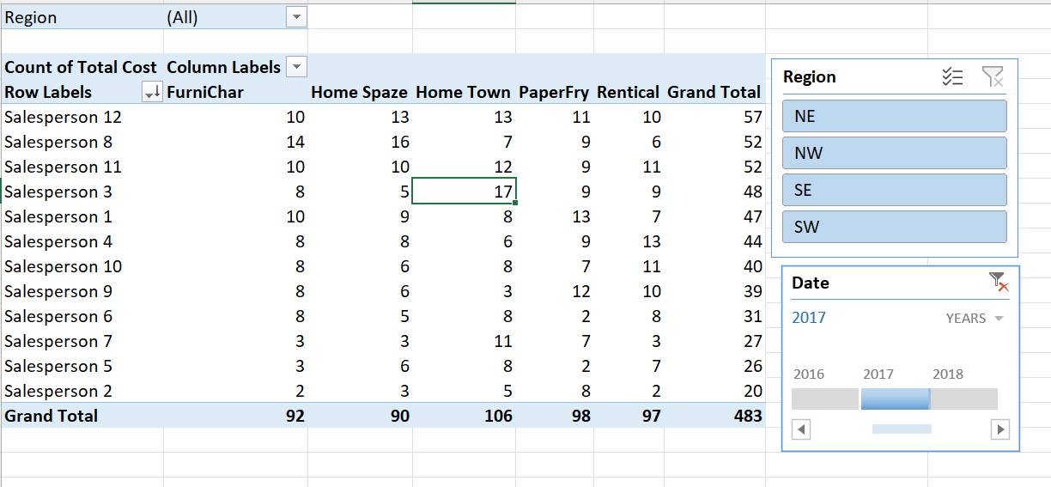
Mar | 74452.63 | 74452.63 | 105340.17 | 34497.47 | 34497.47 | 52172.02 | 52172.02 | 266462.29
Apr | 33508.24 | 33508.24 | 104322.88 | 22911.34 | 22911.34 | 23422.83 | 23422.83 | 184165.29
May | 39139.59 | 39139.59 | 152957.95 | 61477.89 | 61477.89 | 38468.28 | 38468.28 | 292043.71
Jun | 42390.78 | 42390.78 | 174494.83 | 28509.37 | 28509.37 | 44080.49 | 44080.49 | 289475.47
Jul | 54070.00 | 54070.00 | 124977.22 | 53681.07 | 53681.07 | 31530.05 | 31530.05 | 264258.34
Aug | 25439.90 | 25439.90 | 127073.71 | 39391.92 | 39391.92 | 34765.45 | 34765.45 | 226670.98
Sep | 36511.72 | 36511.72 | 80687.30 | 29976.28 | 29976.28 | 37557.94 | 37557.94 | 184733.24
Oct | 52086.71 | 52086.71 | 78071.22 | 45741.85 | 45741.85 | 46574.76 | 46574.76 | 222474.54
Nov | 22839.45 | 22839.45 | 124740.25 | 46524.68 | 46524.68 | 33689.16 | 33689.16 | 227793.54
Dec | 40415.26 | 40415.26 | 159286.10 | 33173.96 | 33173.96 | 63274.40 | 63274.40 | 296149.72
Grand Total | 501135.61 | 501135.61 | 1396059.64 | 470054.89 | 470054.89 | 464415.53 | 464415.53 | 2831665.67

